Case 1
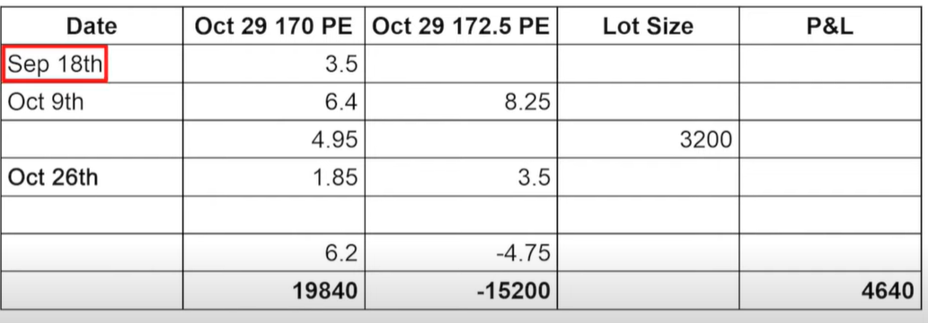

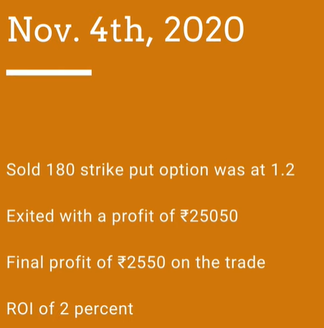
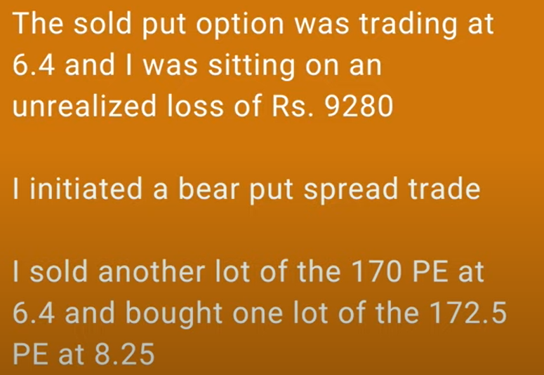
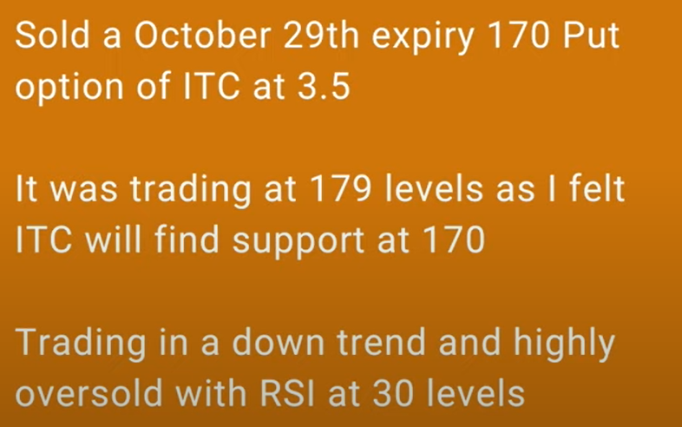
Case 1: Adjustment using Bear Put Spread or Put Debit Spread -> Reference: https://www.youtube.com/watch?v=VRy34Y_Y7WI Channel: Nifty Bank Nifty Options Strategies & Adjustments |  |  |  |  |  |  |  |  | Roll Over Example in SBI Stock see below
 |  | Sep 18th | BEP | 166.5 | Oct 9th | BEP | 165.8
Stock | ITC |  |  |  |  |  |  | 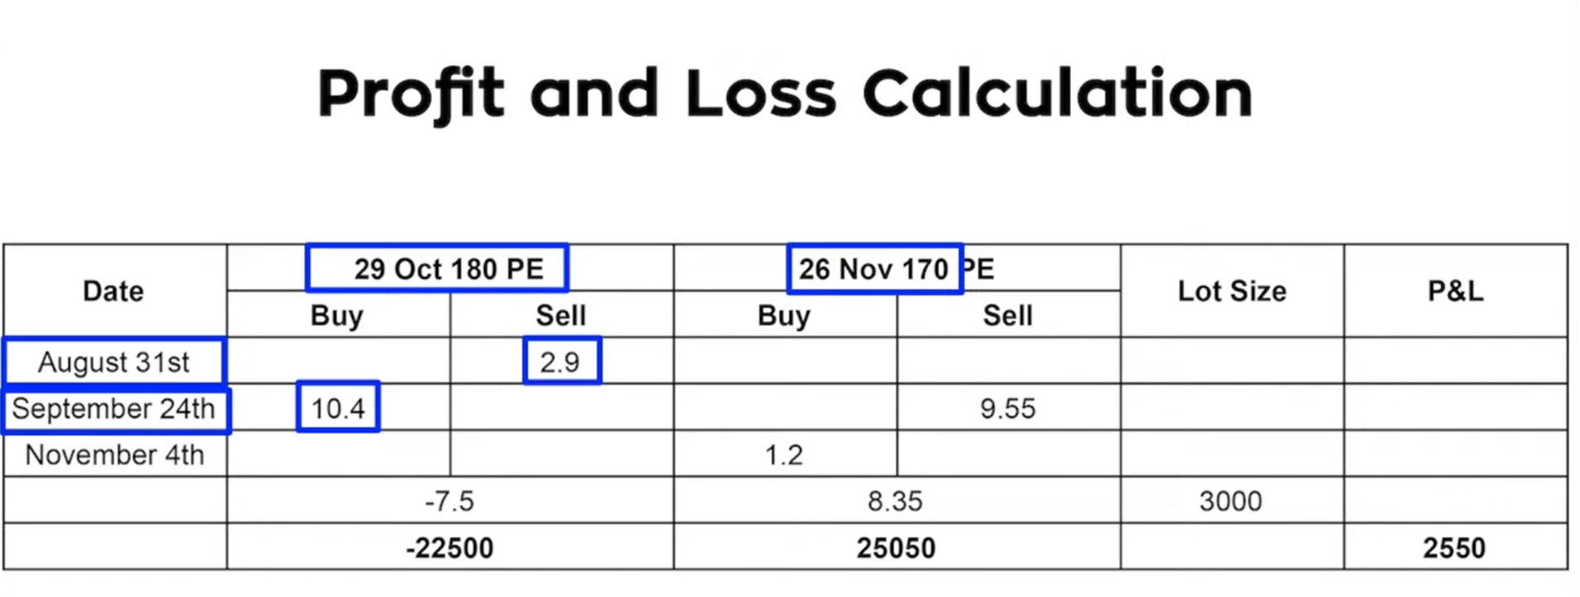 What If ITC keep going down further after adjustment? 1. Book profit in Debit Spread 2. Roll over Sold PE to next month 3. Roll over means book loss in Sold PE in this month and Sell same Strike PE in next Month
Spot | 179
Strike | 170
Sold on | Sep 18th
Prem | 3.5
LOT | 3200
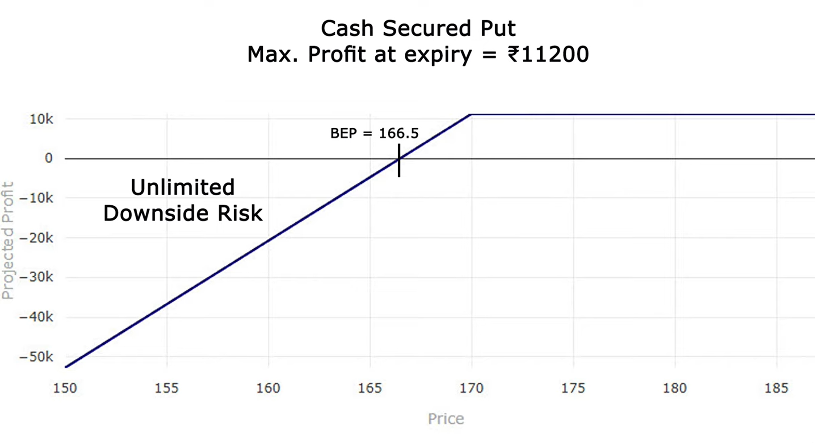
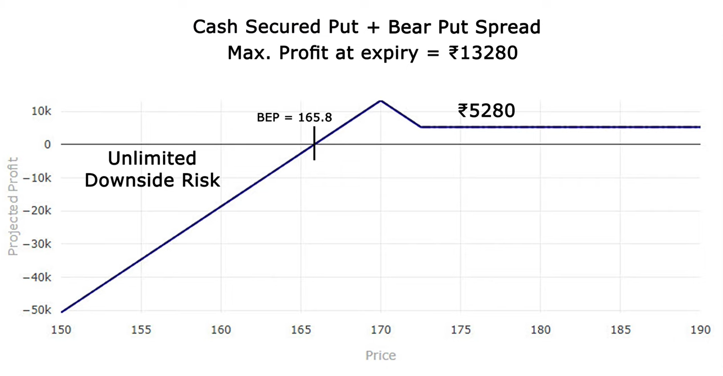
CRED | 11200
BEP | 166.5

 |  | Result after adjustment

Case 2
Reliance | Spot:1425 Strike:1200 PE Credit:27.5, Trade Taken Apr 26 https://www.youtube.com/watch?v=x8Gzyi5zt08
Bear Put Spread | If we add a bear put spread to the cash secured put then the trade would like this: This modification not only improves the maximum profit that can be achieved at expiry to ₹22925 (which is attained when the stock is exactly at 1200 at expiry) but also moves the breakeven to 1154. | 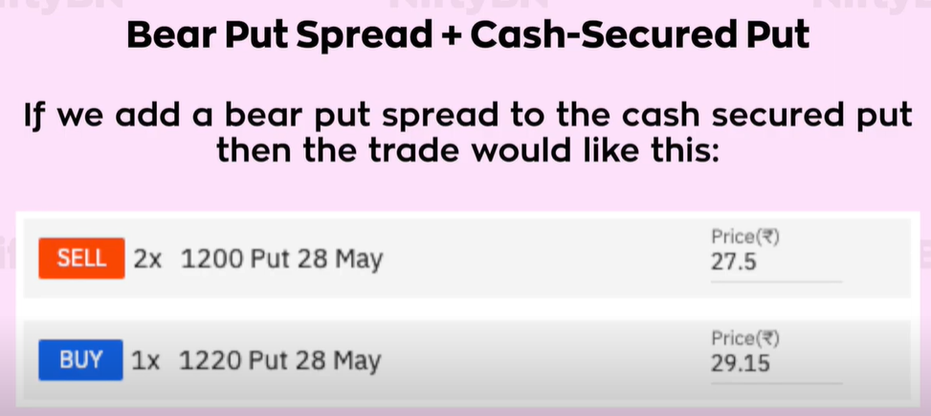 | 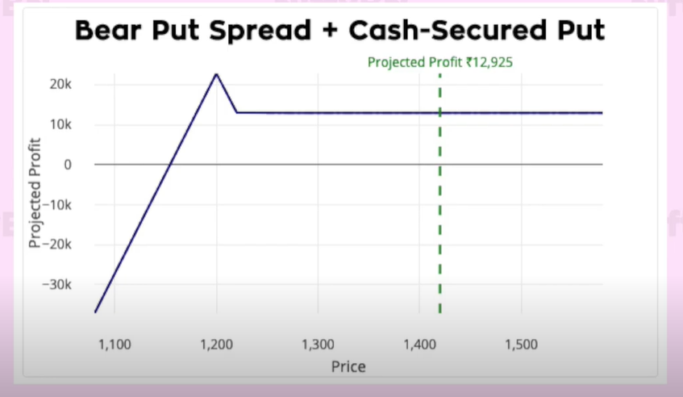
ITM Bear Call Spread | Adding a ITM bear call spread to the cash secured put would make the trade look like this: Maximum profit at expiry = ₹33000 Breakeven = 1133 | 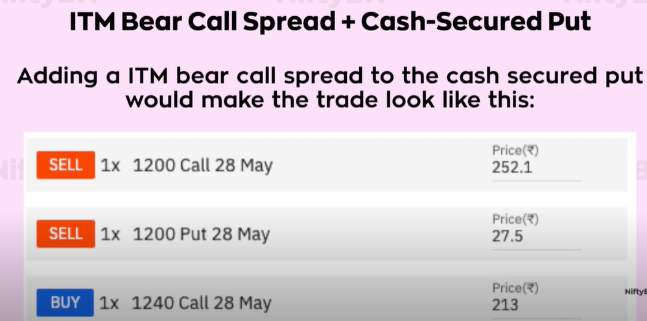 | 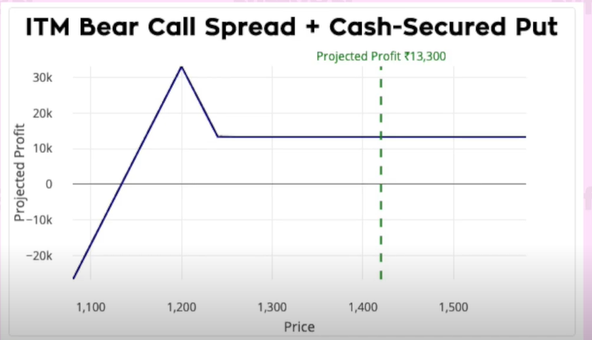
OTM Bear Call Spread | 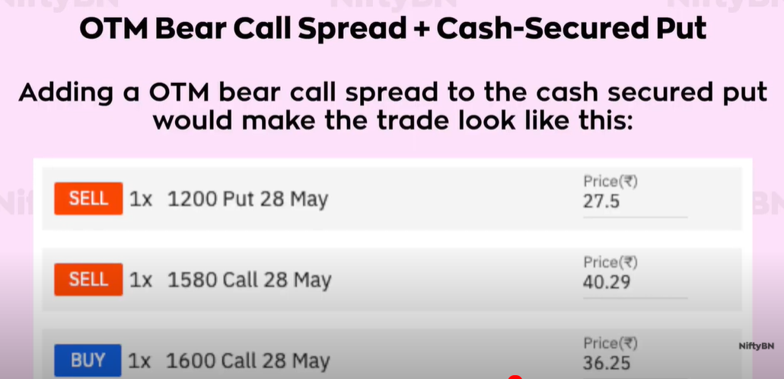 Adding a OTM bear call spread to the cash secured put would make the trade look like this: Maximum profit at expiry = ₹15770 Breakeven = 1168 |  | 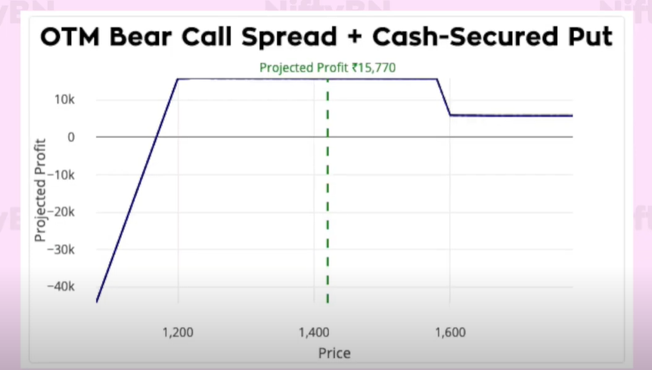
Butterfly | Adding a long butterfly spread with puts to the cash secured put would make the trade look like this: Maximum profit at expiry = ₹24175 Breakeven = 1172 | 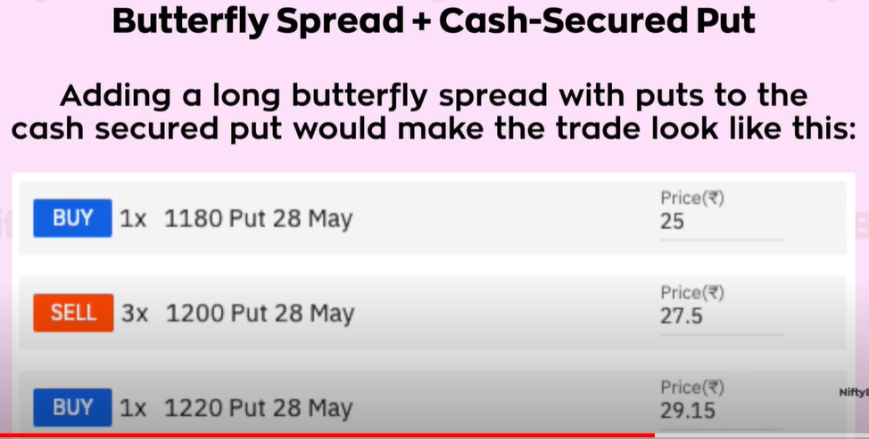 | 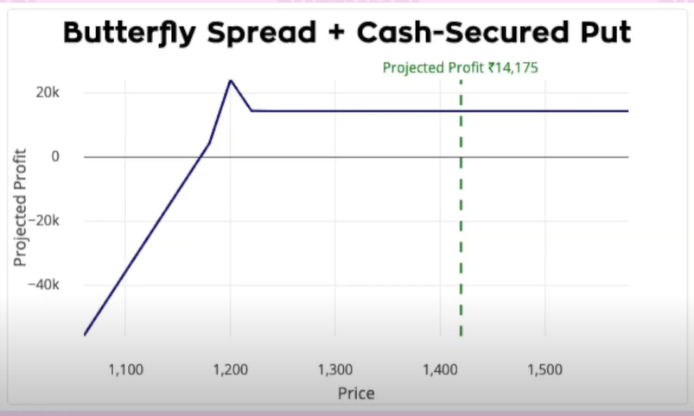
Broken Wing Butterfly | 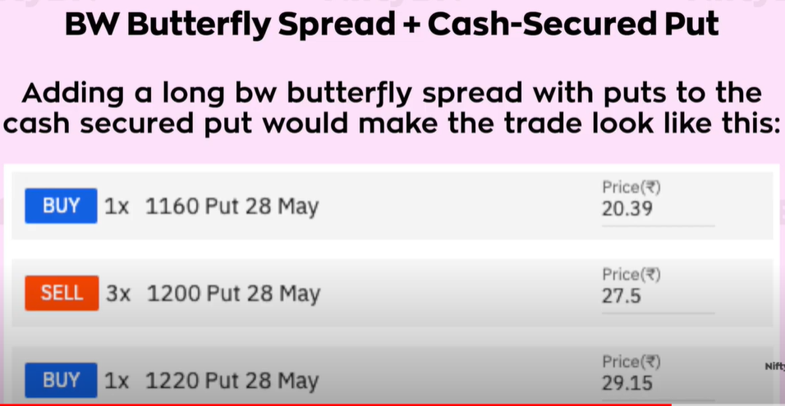 Adding a long broken wing butterfly spread with puts to the cash secured put would make the trade look like this: Maximum profit at expiry = ₹26480 Breakeven = 1174 |  | 